JW Discon
 | Description | Quantity | Photos
 | IP55 RATED ENCLO JUNCTION BOX | 6236 | 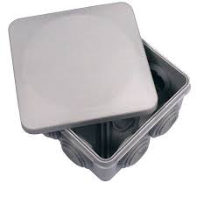 | https://www.greengates.co.uk/ip55-external-junction-box-490-bg
748-01 | 3 TER ANG+SHORT SK BATTEN HOLDER | 1423 | 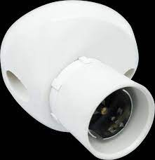 | https://www.electricalcounter.co.uk/products/Wiring+Accessories/Ceiling+Accessories/Lamp+Holders/Batten+Holder/BG+Electrical+748+Angled+3+Terminal+Batten+Holder+with+Short+Skirt/768802236
CFUDP16606-01 | Consumer Unit 6-Way Populated Dual RCD Consumer Unit, 100A Switch, 2x 63A, 30mA RCDs, 6x MCBs - | 9010 | 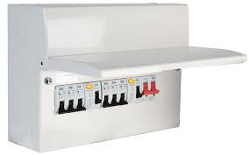 | https://cpc.farnell.com/bg-electrical/cfudp16606-01/consumer-unit-6-way-2-x-rcd-6x/dp/PL16252
CFUDP16610-01 | Metal Consumer Unit BG 16 Module 10 way Populated dual RCD | 72 | 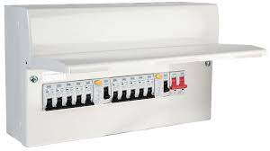 | https://www.cityplumbing.co.uk/p/bg-cfudp16616a-01-16-way-populated-consumer-unit-with-100a-switch-and-2/p/286084#fo_c=2832&fo_k=d74d4776ee388acf0b26d5eddc5a87ce&fo_s=gplauk
CFUDP16614SPD-01 | CU14W100ASW 2X63A RCD 12 MCB SPD | 117 |  | https://www.fephexham.co.uk/14-way-with-100a-main-switch2-x-63a-rcd-spd.html
CFUSHOW1-01 | Enclosure - Metal | 1169 | 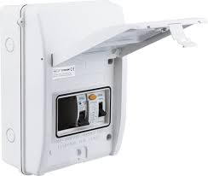 | https://westbasedirect.com/products/cfushow1
CUR6330-01 | CUR6330 RCD 63A 30MA | 31952 |  | https://www.toolstation.com/bg-incomer-devices/p31979?utm_source=googleshopping&utm_medium=feed&utm_campaign=googleshoppingfeed&mkwid=_dc&pcrid=&pkw=&pmt=&gclid=CjwKCAjwseSoBhBXEiwA9iZtxh2NE8SQXib-mLIxAiBfHY-XhNCJe36DeqLw9hRZuIpC7lcKNJHE5BoC9XcQAvD_BwE&gclsrc=aw.ds
CUR8030-01 | CUR8030 RCD 80A 30MA | 2973 |  | https://www.yesss.co.uk/80a-rcd-2-pole-type-a-6ka
LN2F100-RO | NEO MK2 FLAT TO WALL TV MOUNT 100 VESA | 473 | 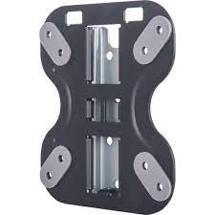 | https://www.screwfix.com/p/ross-ln2f100-ro-tv-wall-mount-fixed-13-23-/450fp
LN2ST100-RO | NEO MK2 TILT TV MOUNT 100 VESA | 383 | 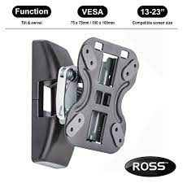 | https://www.screwfix.com/p/ross-ln2st100-ro-tv-wall-mount-swivel-tilt-13-23-/410fk
LN2TA100-RO | NEO MK2 FULL MOTION TV MOUNT 100 VESA | 337 | 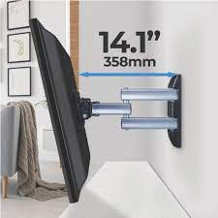 | https://www.screwfix.com/p/ross-ln2ta100-ro-tv-wall-mount-full-motion-13-23-/827fp
NLPT/2-MP | PLUG THROUGH NIGHT LIGHT - PACK 2PCS | 2263 | 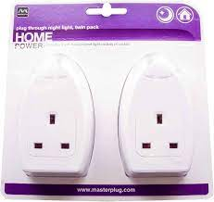 | https://www.amazon.it/Masterplug-NLPT-2-MP-notturna-inglese/dp/B002MEXR0W
PT135W-01 | 13A PLUG 5A FUSED WHITE | 44044 | 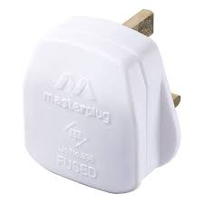 | https://cpc.farnell.com/masterplug/pt135w/mains-plug-5a-fused-white/dp/PL14191
TS30/12/10-01 | 30A 12W CONN STRIP | 299 | 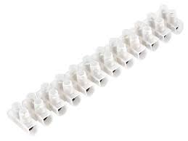 | https://www.diy.com/departments/masterplug-ts30-12-10-01-connector-strips-30a-12w-pack-10-mstts3012/5050765107884_BQ.prd
TS60/12/10-01 | 60A 12W CONN STRIP | 812
USB51CK12-RO | ROSS 1.8M 5IN1 USB KIT | 1475 | 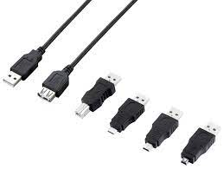 | https://www.amazon.co.uk/Ross-USB51CK12-RO-USB-Cable-Black/dp/B00WJPJTN8
USBCC510G1-MP | 1M USB C TO USB C CHARGE & SYNC CABLE 5A 100W 10GBPS (WHITE) | 5326
USBCL35G1-MP | 1M APPLE LIGHTNING TO USB C CHARGE & SYNC CABLE 2A 18W 480MBPS (WHITE) | 4393 |  | https://www.amazon.co.uk/Masterplug-USBCC510G1-MP-Charge-Cable-10GBPS/dp/B096ZTQQ5P/ref=sr_1_4?qid=1696251898&refinements=p_4%3AMasterplug&s=diy&sr=1-
WP22WR-01 | outdoor double socket with wifi | 1599 | 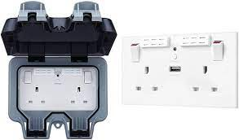 | https://www.screwfix.com/p/british-general-ip66-13a-2-gang-sp-weatherproof-outdoor-switched-wi-fi-extender-socket/767HV?kpid=767HV&cm_mmc=Google-_-Datafeed-_-Electrical%20and%20Lighting?kpid=KINASEKPID&cm_mmc=Google-_-TOKEN1-_-TOKEN2&ds_kid=43700062996000799&&&&&ds_rl=1245250&ds_rl=1249478&ds_rl=1245250&ds_rl=1249478&gclid=Cj0KCQjw1OmoBhDXARIsAAAYGSEGbzRybsFmIs0zt7oMxw_5KEI_CdYZqyT1PHgIKaDJsLxHcbLyMB0aAijHEALw_wcB&gclsrc=aw.ds
LC27W4F47-02 | FILAMENT CANDLE E27 4W 470LM WARM WHITE 2700K NON DIMMABLE 15K HOURS | 1251 |  | https://www.totemtimber.co.uk/product/electrical-and-lighting/light-bulbs-and-tubes/led/luceco-filament-led-candle-es-2700k-4w
LCD27W4F47-02 | FILAMENT CANDLE E27 4W 470LM WARM WHITE 2700K DIMMABLE 15K HOURS | 1514 |  | https://www.totemtimber.co.uk/product/electrical-and-lighting/light-bulbs-and-tubes/led/luceco-filament-led-candle-es-2700k-4w/
LEXDSSUDPIRCP-01 | COPPER STAINLESS STEEL EXTERIOR DECORATIVE GU10 UP/DOWN WALL LIGHT WITH PIR MOTION SENSOR - IP44 | 122 |  | https://www.luceco.com/uk/products/ext-domestic/azurar-wall-light/LEXDSSUDPIRCP-01
LGN3W26P-02 | GU10 3W 260LM NEUTRAL WHITE 4000K NON DIMMABLE 15K HOURS - WINDOW BOX | 2576 | 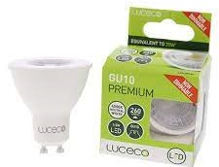 | https://www.electricalcounter.co.uk/products/LED+Lamps/Luceco+LED+Lamps/Luceco+GU10+LED+Lamps/Luceco+LGN3W26P+3.5W+4000K+LED+GU10+Non-Dimmable+Lamp/2495828109?gclid=Cj0KCQjw1OmoBhDXARIsAAAYGSELHPS5tbim_Bo3dbA2TJRRTb_YArUkNchzHSa33ZTgb1rpCFpbd2UaArElEALw_wcB
CCR7W/50-JW | CCR7W/50 CABLE CLIPS ROUND 7MM WHITE (PACK 50) | 68924 | 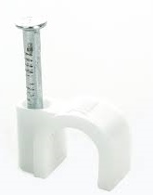 | https://westbasedirect.com/products/ccr7-50
CT150W/100-01 | CT150W/100 CABLE TIE NYLON L150MM W3.8MM QTY 100 - (NATURAL) | 2182 | 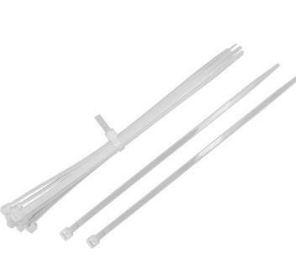
CT200X2.5N/100-01 | BLK L 200MM, W 2.5MM CABLE TIE | 1522 | 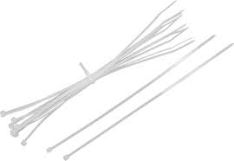 | https://ukeaonline.co.uk/product/bg-cable-tie-black-200mm-x-2-5mm-100pk/
 |  | 192447

